Sheet1
Annual Hospitalisations by Age Group |  |  | Source: https://ncdc.gov.ng/diseases/sitreps/?cat=5&name=An%20update%20of%20Lassa%20fever%20outbreak%20in%20Nigeria

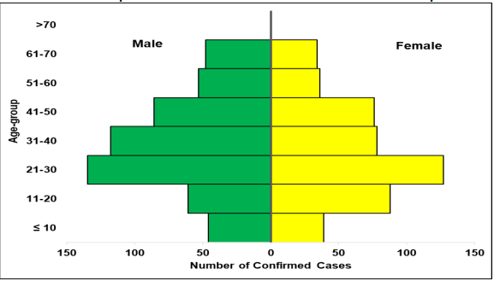
2023 |  |  |  | 1 | 40
 | Male | Female |  | 2 | 80
<10 | 46 | 39 |  | 3 | 160
11-20 | 61 | 86
21-30 | 135 | 124
31-40 | 118 | 78
41-50 | 86 | 77
51-60 | 55 | 34
61-70 | 51 | 32
>70 | 0 | 0

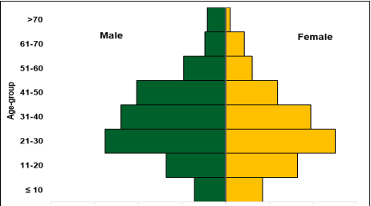

2022
 | Male | Female
<10 | 37 | 42
11-20 | 69 | 81
21-30 | 139 | 125
31-40 | 121 | 97
41-50 | 102 | 59
51-60 | 50 | 30
61-70 | 28 | 22
>70 | 25 | 7

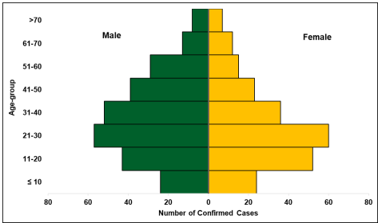
2021
 | Male | Female
<10 | 24 | 23
11-20 | 43 | 52
21-30 | 58 | 59
31-40 | 53 | 39
41-50 | 39 | 22
51-60 | 30 | 14
61-70 | 14 | 11
>70 | 10 | 7

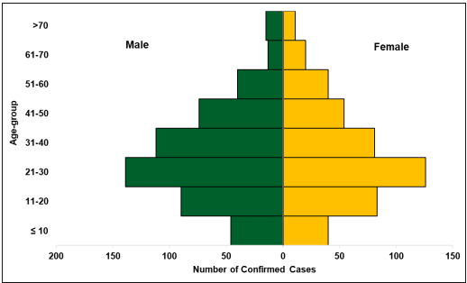
2020
 | Male | Female
<10 | 48 | 40
11-20 | 91 | 82
21-30 | 140 | 126
31-40 | 113 | 79
41-50 | 75 | 52
51-60 | 42 | 39
61-70 | 16 | 19
>70 | 18 | 10

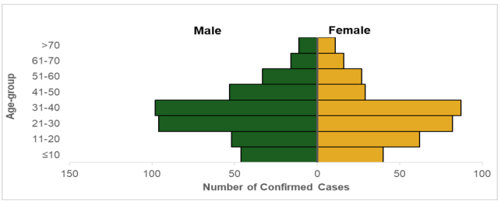
2019
 | Male | Female
<10 | 48 | 40
11-20 | 52 | 62
21-30 | 96 | 82
31-40 | 99 | 87
41-50 | 54 | 29
51-60 | 34 | 27
61-70 | 17 | 16
>70 | 12 | 11

